Sheet1
 |  | Document No. | Issue No. | Issue Date |  | Review and Replace Date |  | Authorised By
 |  | GFF312MC | 3 | 28.09.2021 |  | 28.03.2023
 |  | Document Title | BUTTER BEAN AND MUSHROOM BAKE 400g
 |  | Tray & Film changed |  |  | Page |  | 1 of 1 | Magda Shah
Document amendments reason for change |  |  |  |  | Previous Issue Date |  | 16.11.2021 | Uncontrolled copy unless signed original

FVCHST1-R8TMC | MINDFUL CHEF |  | BUTTER BEAN AND MUSHROOM BAKE 400g | FROZEN
STEP 1 |  |  |  |  | STEP 2
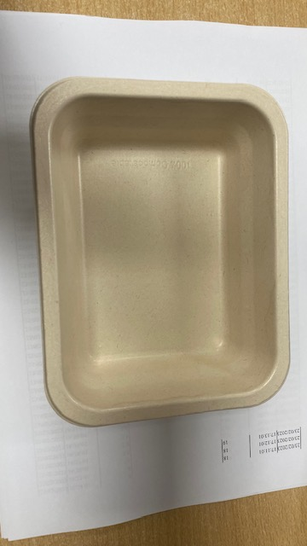 |  |  |  |  | 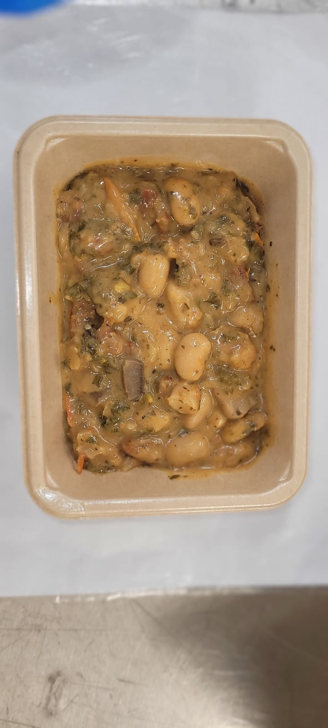

PACK DAY + 1 YEAR
NON-MAP PACK

Tray:Pie Tray-PET Fresh Fibre Food Tray (170 x 126 x 49)-PKHUH001-02 |  |  |  |  | Bean Bake Mix (MC) (GFF385R): 380g
Film: K peel 7G+25A/f-275mm-(PKKMP001-03)
STEP 3 |  |  |  |  | STEP 4
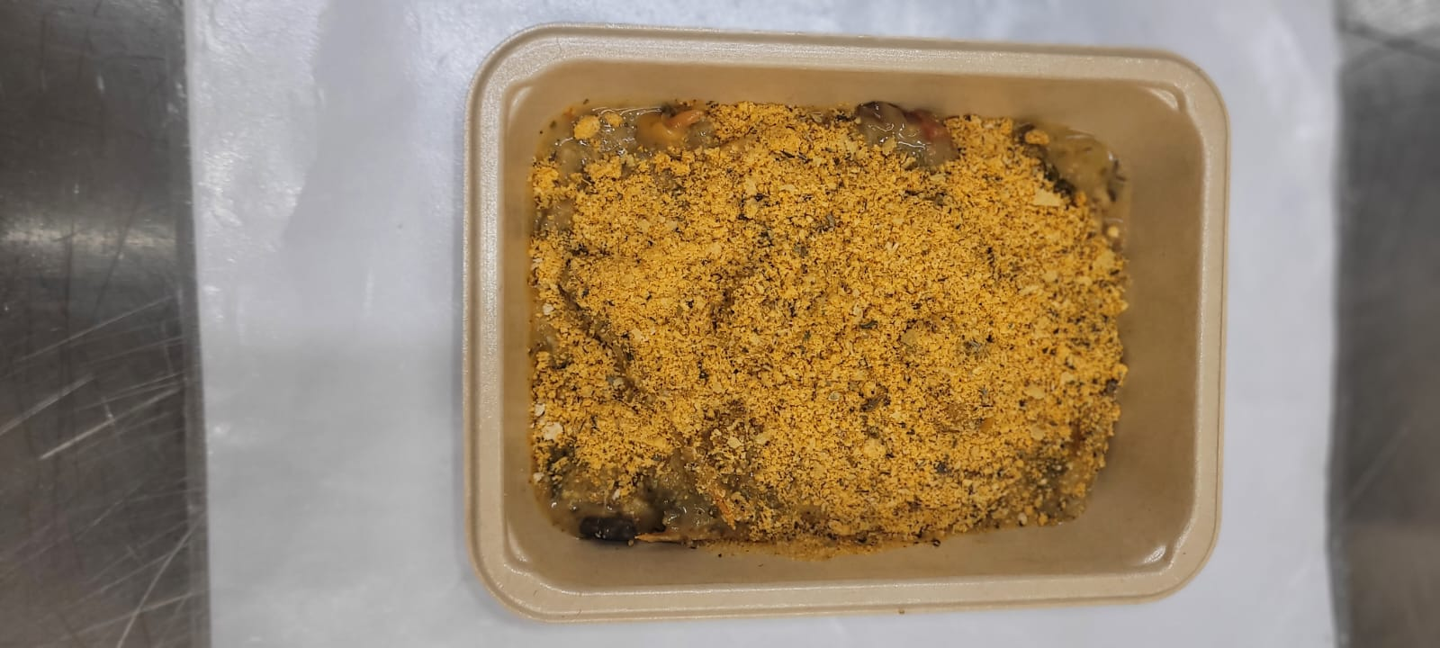

Crumb Mix (MC) (GFF386R-S): 15g |  |  |  |  | Pumpkin Seeds (RMBAK001-03) : 5g |  |  |  | TOTAL WEIGHT: 400g

ALLERGY ALERT: None

